Sheet1
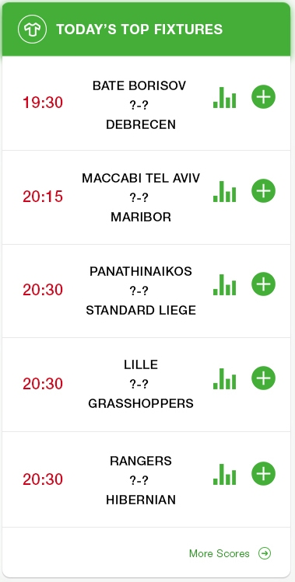
 |  |  | England, Championship
 |  |  | 19:30:00 | Home Team | 1 | WON
 |  |  |  | ?-?
 |  |  |  | Away Team
 |  |  | 20:30:00 | Home Team | 2 | WON
 |  |  |  | ?-?
 |  |  |  | Away Team
 |  |  | 21:30:00 | Home Team | 12 | WON
 |  |  |  | ?-?
 |  |  |  | Away Team
Argentina, Primera B - 19:30 |  |  | 22:30:00 | Home Team | 1X | WON
CA San Miguel | ? | Defensores Unidos |  | ?-?
Under 2,5 Goals |  |  |  | Away Team
Argentina, Primera B - 19:30
CA Fénix Pilar | ? | Comunicaciones BA
Under 2,5 Goals
-
0 | ? | 0
Under 2,5 Goals
Previous Tips

